QUIKSILVER BACKPACKS
REFERENCE | DESCRIPTION | BRAND | PHOTO | RRP | WHL | TOT | SIZEBREAKDOWN
 |  |  |  |  |  |  | UNI
AQYBP03175-KTC0 | THE POSTER LOGO | QUIKSILVER | 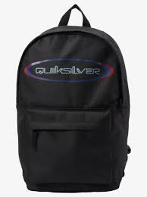 | € 40.00 | € 20.00 | 310 | 310
AQYBP03166-BSW0 | BURST 2.0 | QUIKSILVER | 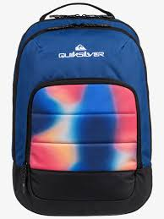 | € 50.00 | € 25.00 | 318 | 318
AQYBP03169-YJG0 | THE POSTER | QUIKSILVER | 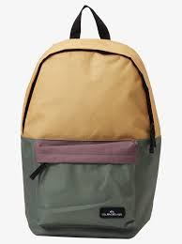 | € 40.00 | € 20.00 | 210 | 210
AQYBP03175-BSW0 | THE POSTER LOGO | QUIKSILVER | 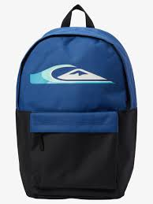 | € 40.00 | € 20.00 | 230 | 230
AQYBP03167-BYC0 | 1969 SPECIAL 2.0 | QUIKSILVER | 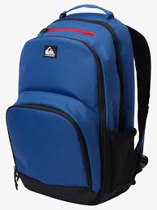 | € 65.00 | € 32.50 | 77 | 77
AQKBP03003-SNA0 | CHOMPINE 2.0 | QUIKSILVER | 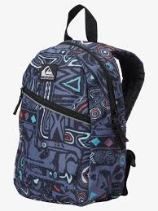 | € 32.00 | € 16.00 | 48 | 48
EQYBP03707-YLC0 | SMALL EVERYDAY EDITION | QUIKSILVER | 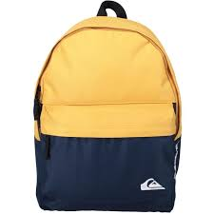 | € 30.00 | € 15.00 | 42 | 42
 |  |  |  |  |  | 1235

